Flow Chart
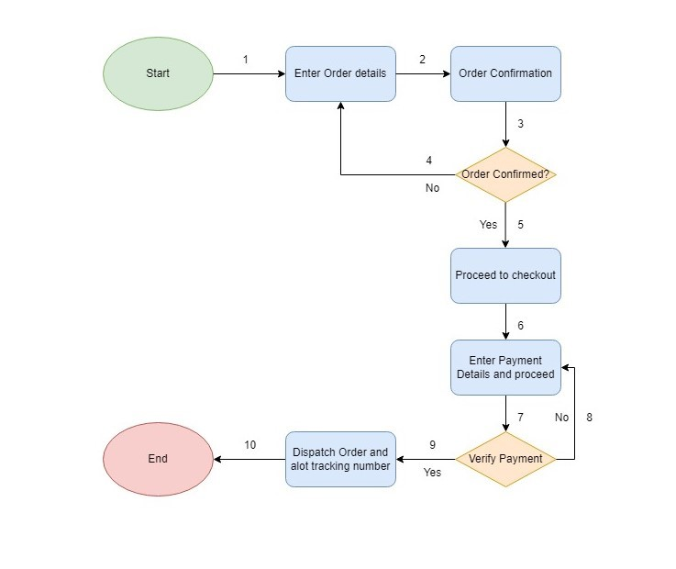
Flow Chart of Online Order System

